Design
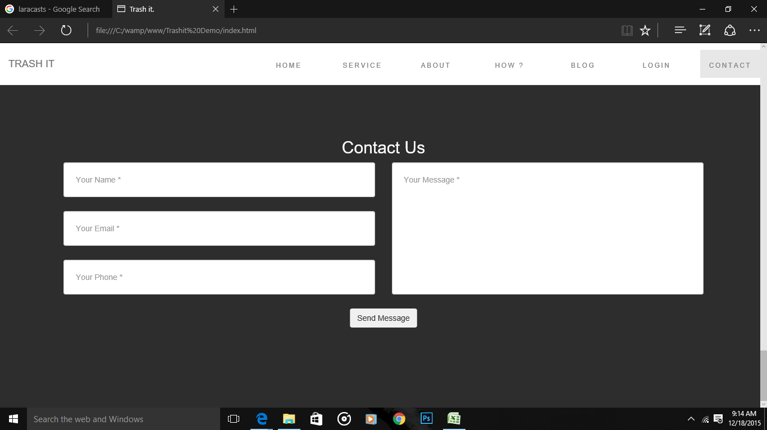
Homepage Design Sample -1 |  |  |  | Page Design - One page Website - black navbar , white bg - on scroll white navbar
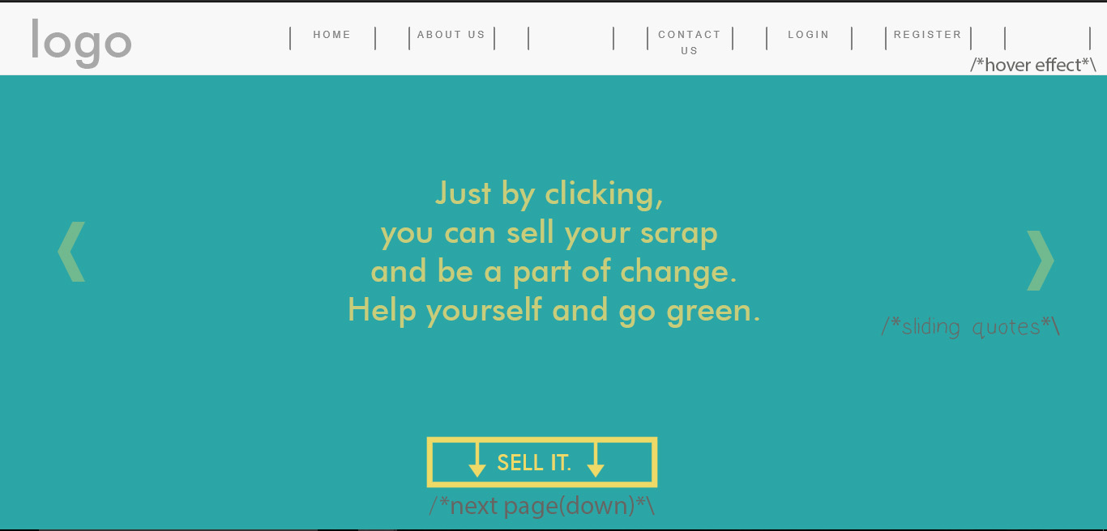
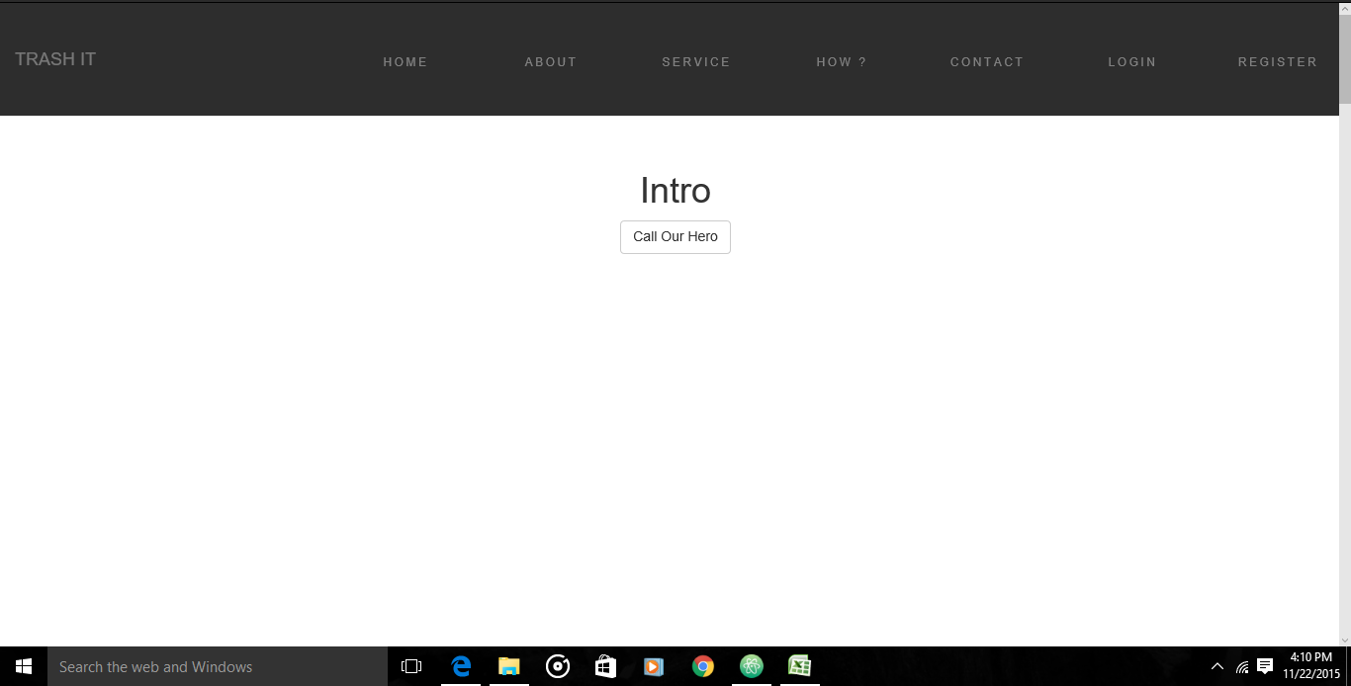

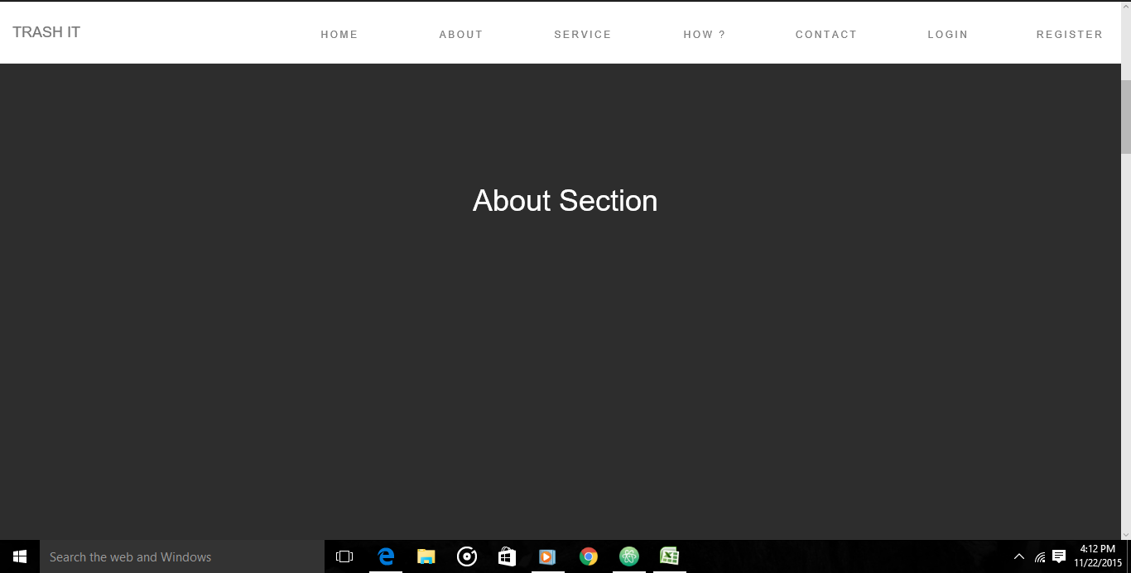

Contents Divided - 7 Sections |  |  | Active Link Style not done.
1 | Intro Section
2 | Service Section
3 | How Section
4 | About Section
5 | Blog Section
6 | Login Section
7 | Contact Section

 |  | Prototype : Contact Page ( Databaase Entry and Retrieval )s

Relation
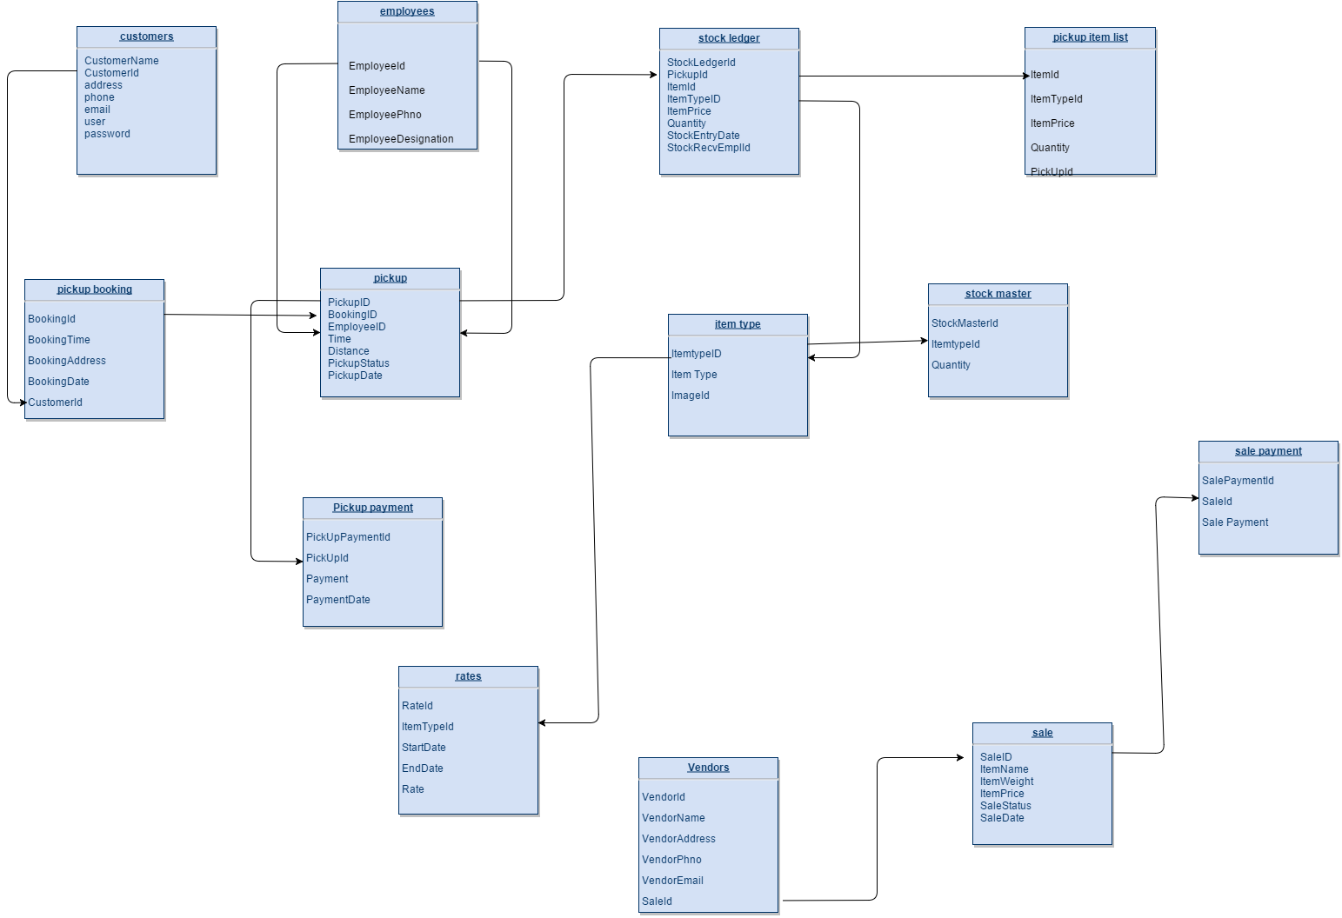
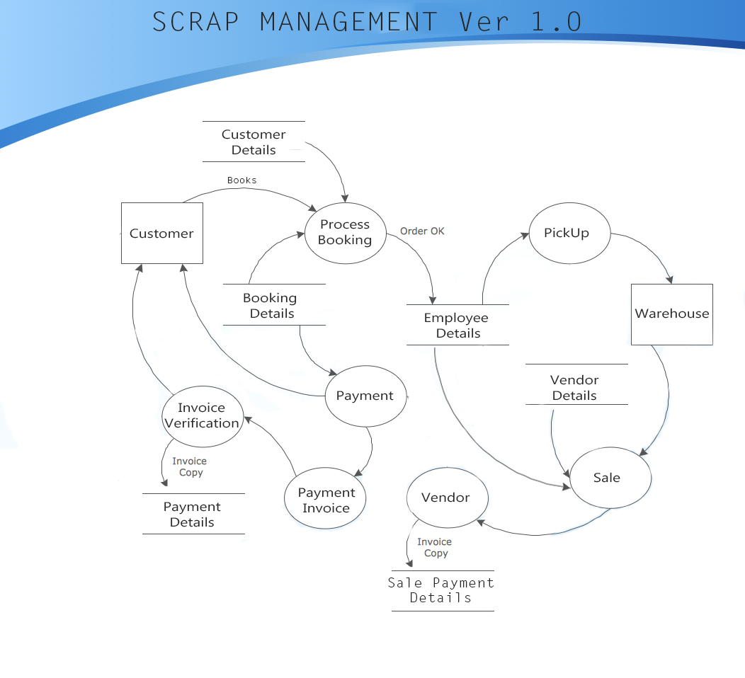

Wiki (UI)
Bootstrap Scroll Spy Function | Jquery Easing Funtion
Add data-spy="scroll" to the element that should be used as the scrollable area (often this is the <body> element).
Then add the data-target attribute with a value of the id or the class name of the navigation bar (.navbar). This is to make sure that the navbar is connected with the scrollable area.
Note that scrollable elements must match the ID of the links inside the navbar's list items (<div id="section1"> matches <a href="#section1">).
The optional data-offset attribute specifies the number of pixels to offset from top when calculating the position of scroll. This is useful when you feel that the links inside the navbar changes the active state too soon or too early when jumping to the scrollable elements. Default is 10 pixels.
Easing functions specify the speed at which an animation progresses at different points within the animation. jQuery core ships with two easings: linear, which progresses at a constant pace throughout the animation, and swing (jQuery core's default easing), which progresses slightly slower at the beginning and end of the animation than it does in the middle of the animation. jQuery UI provides several additional easing functions, ranging from variations on the swing behavior to customized effects such as bouncing.

 | Webkit Transition
CSS3 transitions allows you to change property values smoothly (from one value to another), over a given duration.
WebKit is a layout engine software component for rendering web pages in web browsers. It powers Apple's Safari web browser, and a fork of the project is used by Chromium-based browsers, such as Opera or Google Chrome.

